Sheet1
Bug ID | Bug Title | Module | Reported By | Reported Date | Environment | Severity | Priority | Status | Steps to Reproduce | Expected Result | Actual Result | Screenshot
BUG001 | Login successful with username in all lowercase — case sensitivity not enforced | Login | Hemant Wagh | 21/04/2026 | Browser: Chrome (latest) / OS: Windows 11 / URL: opensource-demo.orangehrmlive.com | Major | Medium | Open | 1. Open URL opensource-demo.orangehrmlive.com 2. Enter username as "admin" (all lowercase) 3. Enter password as "admin123" 4. Click Login button | Login should fail and error message "Invalid credentials" should appear — system should treat "Admin" and "admin" as different usernames | Login was successful — user was redirected to Dashboard even with lowercase username "admin" — case sensitivity is not enforced | 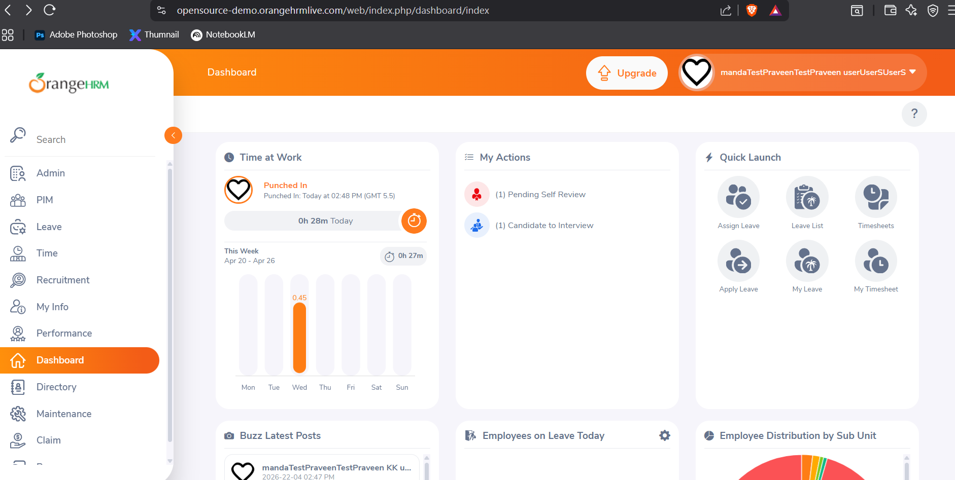
BUG002 | Browser Back button after logout allows user to navigate back to Dashboard without re-authentication | Login | Hemant Wagh | 21/04/2026 | Browser: Chrome (latest) / OS: Windows 11 / URL: opensource-demo.orangehrmlive.com | Major | High | Open | 1. Open URL opensource-demo.orangehrmlive.com 2. Login with valid credentials Admin / admin123 3. Verify Dashboard is visible 4. Click on user icon at top right corner 5. Click Logout 6. Verify user is redirected to Login page 7. Press browser Back button | User should remain on Login page — Dashboard should not be accessible after logout. Session should be completely invalidated after logout | Pressing browser Back button after logout navigated user back to Dashboard page without requiring re-authentication — session was not fully invalidated after logout
BUG003 | First Name field in Add Employee accepts numeric characters — no input validation enforced | PIM | Hemant Wagh | 21/04/2026 | Browser: Chrome (latest) / OS: Windows 11 / URL: opensource-demo.orangehrmlive.com | Major | Medium | Open | 1. Login with Admin / admin123 2. Click PIM in left menu 3. Click Add Employee 4. Enter "Test123" in First Name field 5. Enter "User" in Last Name field 6. Click Save button | Validation error message should appear below First Name field — "First Name should not contain numbers." Employee should not be saved | Numeric characters were accepted in First Name field without any validation error. Employee "Test123 User" was saved successfully | 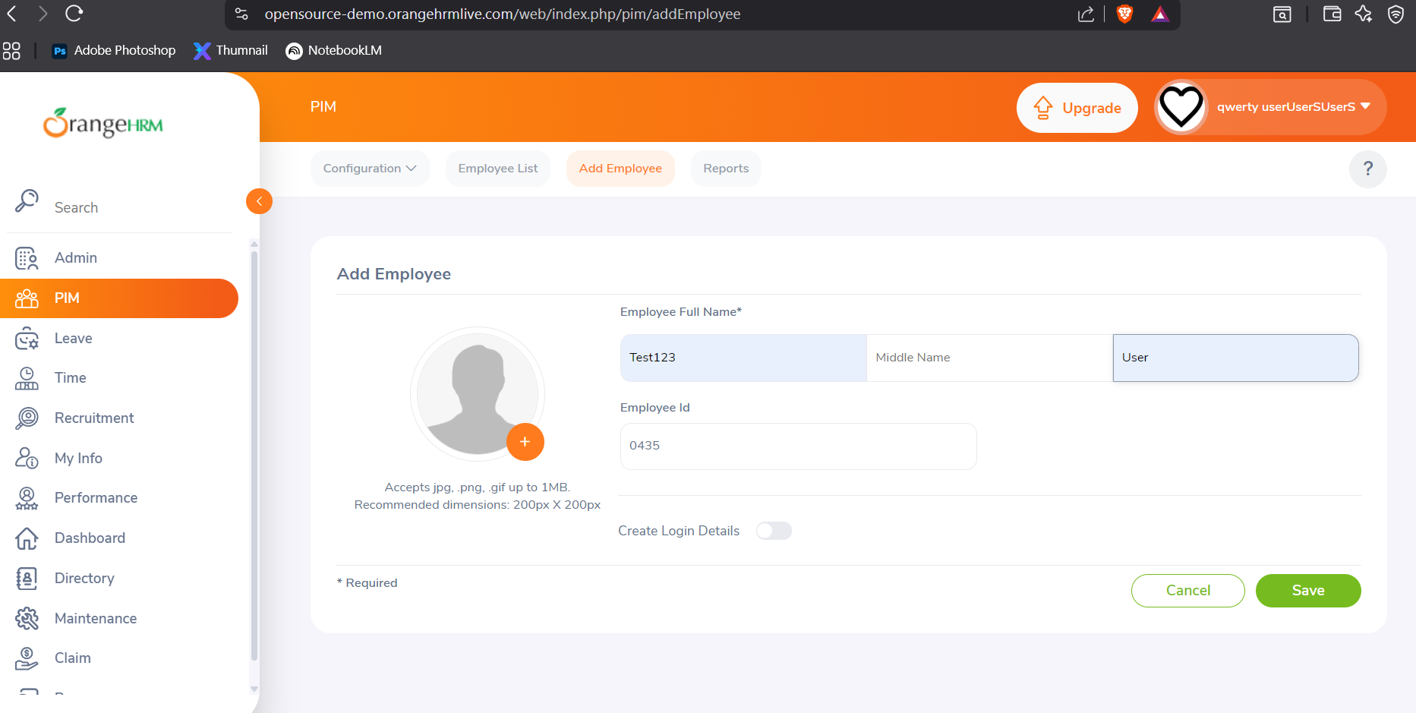
BUG004 | First Name field in Add Employee accepts special characters — no input validation enforced | PIM | Hemant Wagh | 21/04/2026 | Browser: Chrome (latest) / OS: Windows 11 / URL: opensource-demo.orangehrmlive.com | Major | Medium | Open | 1. Login with Admin / admin123 2. Click PIM in left menu 3. Click Add Employee 4. Enter "@#$%" in First Name field 5. Enter "User" in Last Name field 6. Click Save button | Validation error message should appear below First Name field — "Special characters are not allowed in First Name." Employee should not be saved | Special characters "@#$%" were accepted in First Name field without any validation error. Employee "@# % User" was saved successfully | 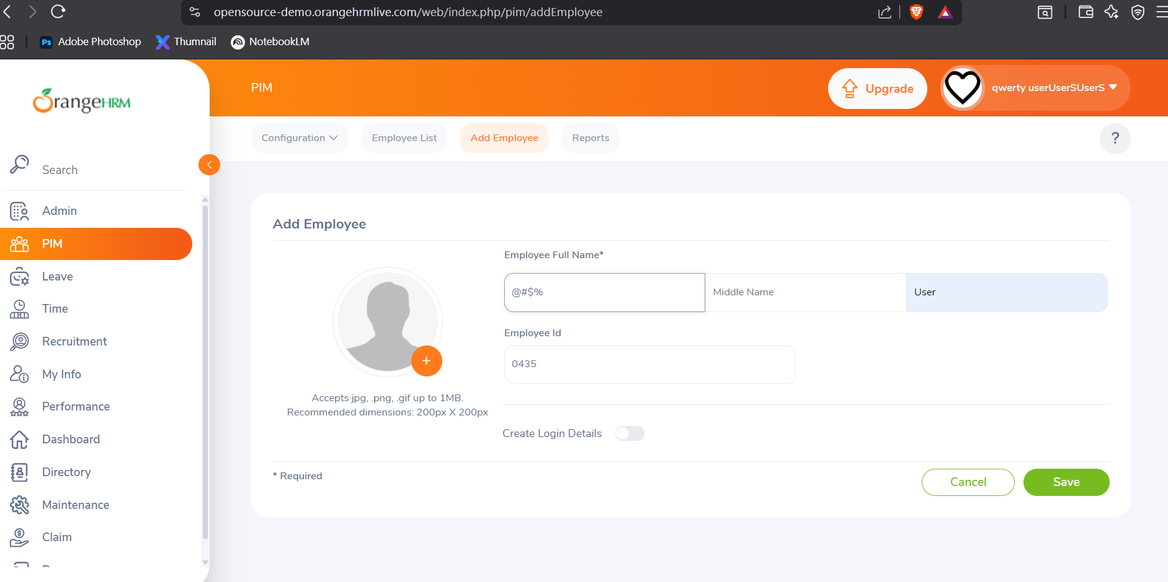
BUG005 | Leave Type dropdown in Add Leave Entitlement does not display all configured leave types | Leave | Hemant Wagh | 21/04/2026 | Browser: Chrome (latest) / OS: Windows 11 / URL: opensource-demo.orangehrmlive.com | Major | Medium | Open | 1. Login with Admin / admin123 2. Click Leave in left menu 3. Click Add Leave Entitlement 4. Click on Leave Type dropdown 5. Observe all leave types visible in the dropdown list | All configured leave types should be visible in the dropdown — Annual Leave, Casual Leave, Medical Leave, Maternity Leave and all other configured leave types | Leave Type dropdown did not display all configured leave types. Some leave types were missing from the dropdown list

 |  |  |  | Bug Reports Summary Table
Bug ID | Bug Title | Module | Severity | Priority | Status
BUG001 | Login successful with username in all lowercase — case sensitivity not enforced | Login | Major | Medium | Open
BUG002 | Browser Back button after logout allows user to navigate back to Dashboard without re-authentication | Login | Major | High | Open
BUG003 | First Name field in Add Employee accepts numeric characters — no input validation enforced | PIM | Major | Medium | Open
BUG004 | First Name field in Add Employee accepts special characters — no input validation enforced | PIM | Major | Medium | Open
BUG005 | Leave Type dropdown in Add Leave Entitlement does not display all configured leave types | Leave | Major | Medium | Open

